Part A
Mechanical Design Bolt and Welding Report
 |  |  |  |  |  |  |  | 470205736 | :SID
Problem Statement
To secure the end plate to the base plate (as seen in the figure to the right) by selecting a beam and an appropriate weld. Beams where selected from the Onsteel Forth Edition Cold Formed Structural Hollow Sections and Profiles. Different beam profiles were selected for analysis including rectangular, square, circular hollow section and angle section. Restrictions in deflection (both longitudinally and torsionally) where imposed such that beam profiles could be filtered based on their second moment of area for the bending and twisting moments. Weld leg length was choosen based on the selected beam taking in to account the factor of saftey and requirements of the leg length with regards to beam thickness.
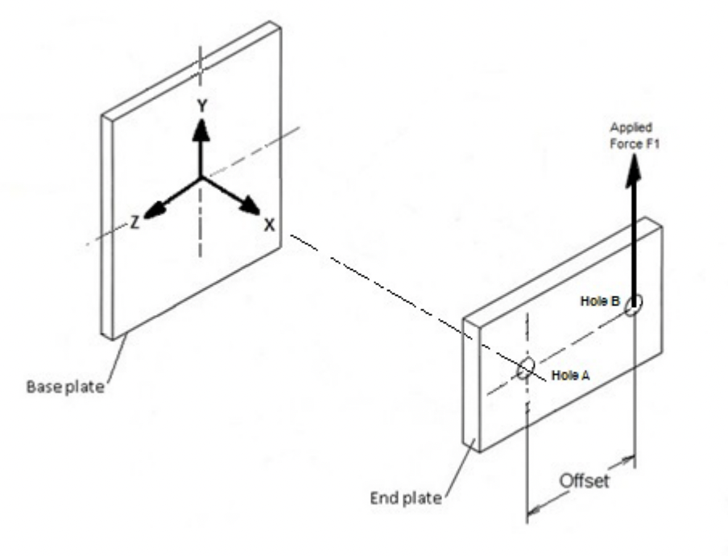
 | width (mm) | height (mm) | thicknes (mm)
End Plate | 400 | 350 | 16
Base Plate | 500 | 500 | 16

 | (mm)
Beam Length | 1500
Hole B Offset | 186
Hole Diameter | 16

Factor of Saftey | 2

 | (kN)
Force | 5
Executive Summary
Given the situation specifications above a beam and weld profile was selected in order to support the end plate with the applied forces. It was found that rectangular hollow section RHS of size 200mm x 150mm x 4mm was the most suitable choice with regards to minimizing distortion (longitudinal/torsional) and mass. A rectangular weld of leg length 4mm was selected in order to match the thickness of the beam and was able to offer a factor of saftey of 1.7.
Section Selection
$$∂_{max}=\frac{FL^{3}}{3EI}$$
$$θ_{max}=\frac{TL}{3GJ}$$
Due to the force F, the beam will experience deflection as per the respective equations.
From the datasheet (pg 18) for steel grade C450L0 the eleastic modulus E and shear modulus G where found.
 | (kN/mm2)
E | 200
G | 80

 | (kN · mm)
T | 930
By choosing desired maximum rquirements for ∂max and θmax minimum rquirements for I and J could be obtained.
 | Max
∂max (mm) | 5
θmax (rad) | 0.005

 | Min (106 · mm4)
I | 5.63
J | 3.49
Several different sections of varying profile, size and thickness ( t) where selected from a datasheet.
 | d (mm) | b (mm) | t (mm) | I (106mm4) | J (106mm4) | A (mm2)
Circular (88.9 x 5.9 CHS) | 88.9 |  | 5.9 | 1.3 | 2.66 | 1538 | 0
Rectangular (200 x 100 x 6 RHS) | 200 | 100 | 6 | 16.7 | 14.2 | 3456 | 0
(200 x 100 x 4 RHS) | 200 | 100 | 4 | 11.9 | 9.89 | 2336 | 1
(150 x 100 x 6 RHS) | 150 | 100 | 6 | 8.17 | 9.51 | 2856 | 0
Square (100 x 100 x 6 SHS) | 100 | 100 | 6 | 3.04 | 5.15 | 2256 | 0
Angle (150 x 100 x 6 CA) | 150 | 100 | 6 | 3.42 | 17.2 | 1464 | 0
Selected | 200 | 100 | 4 | 11.9 | 9.89
It could be seen that only the rectangular hollow sections RHS had moments of inertia cabable of taking the bending without deflection exceeding the constraints.
Weld Selection
From the provided lecture slides the the weld properties of Zw and Jw were calculated for the selected beam's b and d dimensions. Three different weld profiles where tested. The figure below shows the forces and moments experienced at the center of the weld and highlights points of maximum stress.

 | Selected
Zw (mm2) | 33333 | 33333 | 13333 | 20000
Jw (mm3) | 4500000 | 4500000 | 2333333 | 2166667
l (mm) | 600 | 600 | 400 | 200
Moment at CoA (kN · mm) | 7500 | 7500 | 7500 | 7500
 |  | 1 | 0 | 0
$$f_{s}= (0, −\frac{F}{l}, 0)$$
$$f_{b}= (0, \frac{M}{Z_{w}}, 0)$$
$$f_{j}=\frac{T}{J_{w}} ∙(−r_{x} r_{y}, 0)$$
$$f_{t}=f_{s}+f_{b}+f_{j}$$
The following stress vectors derived from the lecture slides
were used to show the stress in the weld per unit leg length (w) and were calculated for the selected weld's properties. Many r vector's (relative to the CoA) were tested but in general the bottom corners experienced the most stress.
 | x | y | z
r (mm) | -50 | -100
fs (kN / mm) |  | -0.01
fb (kN / mm) |  |  | 0.225
fj (kN / mm) | 0.0103 | -0.0207 |  | | ft|
ft | 0.0103 | -0.0290 | 0.2250 | 0.2271
Leg length was solved for the desired factor of saftey FS and a factor of saftey was solved for a w equal to that of the beam thickness using the following equation |ft| · FS = w · τall, where τall was selected from lecture slides.
𝜏all (kN · mm2) | 0.1
Factor of Saftey for w = t | 1.76
w (mm) | 4.54
The results showed that only the rectangular profile was capable of meeting requirements. Furthermore by selecting different beams it could be seen that largest RHS required a weld leg length of 4.5mm for a factor of saftey of 2. If a leg length of 4mm was selected then a factor of satey of 1.76 could be acheived. By choosing the 4mm thick section mass would be reduced by 30% as opposed to using the 6mm section. This was also a better weight reduction than choosing the smaller section. As such I believe the 200 x 100 x 4mm RHS section is the most economical chocie and should be welded with a 4mm leg length for a factor of saftey of 1.7.

Part B
Mechanical Design Bolt and Welding Report
 |  |  |  |  |  |  |  |  | 470205736 | :SID
Problem Statement
To secure the fabricated assembly from Part A to a beam using a bolted system. The bolts must be capable of taking an alternating force without fatigue failure. A standard universal column was used as the main beam with thickness of 25mm making the total grip length 41mm. Washers where choosen to be 1.6 of the bolts (major) diameter and bolts were placed as far apart whilst making sure the stress cone would not extend outside of the plate. All other information was obtained from the lecture slides or assessment criteria. Multiple combinations of bolt diamter, bolt grade and the number of horizontal bolts were analysised. A factor of safety of 1.5 was choosen.
 | mm
Grip Length l | 41
Bolt Diameter d | 12
Washer Diameter dw | 19.2
Distance between bolts yoall | 450
Beam length BL | 1500

 | N
Min Force Fmin | 2000
Max Force F | 8000

Major/Stress Area ratio | 0.8
Factor of Safety | 1.5
Reliability Factor rel | 0.868
Preload ratio pr | 0.75
Number of Horizontal bolts Bn | 2

 | deg | rad
Angle of Stress α | 25 | 0.436
Executive Summary
Through analysis of multiple different bolts and bolting arrangements it was decided that 2 rows of 2 grade 8.8 M12 bolts be used to secure the assembly to the vertical beam.
Properties of Bolt
Bolt properties for three grades were obtained from week 5 lecture slides. From these properties the bolt modulus, maximum tensile stress P and minimum tensile stress Pmin could be calculated.
Bolt Grades | Selected Grade | 5.8 | 8.8 | 9.8
 | N/mm2 | N/mm2 | N/mm2 | N/mm2
UTS | 830 | 520 | 830 | 900
Yield Strength | 660 | 420 | 660 | 720
Elastic Modulus | 200000 | 200000 | 200000 | 200000
Proof Strength | 561 | 357 | 561 | 612 | Proof strength taken as 85% of Yield Strength
Endurence Strength | 129 | 81 | 129 | 140
 |  | 0 | 1 | 0

Stress Area A (mm2) | 90
Preload Force (N) | 38069
Min Moment (N · mm) | 3000000
Max Moment (N · mm) | 12000000
Bolt Modulus | 900
Max Tensile Force (N) | 13334
Min Tensile Force (N) | 3334
Bolt Fatigue Analysis
A fatigue diagram was made using the selected bolt grade properties. The plot shows the proof line, Safe/Gerber porabola, Goodman line, ASME ellipse as well as the maximum stressed bolt. Equations where used or derived from week 5 lecture slides.
Fatigue Diagram
 | Proof Line |  | Gerber |  | Safe Gerber |  | Ellipse ASME |  | Goodman |  | Bolt Point
150 | 224 | 0 | 129 | 0.0 | 86.0 | 0.0 | 86.0 | 0 | 129 | 436 | 9.42
262 | 112 | 207.5 | 120.9375 | 138.3 | 80.6 | 68.8 | 84.9 | 830 | 0
374 | 0 | 415 | 96.75 | 276.7 | 64.5 | 136.0 | 81.8
 |  | 622.5 | 56.4375 | 415.0 | 37.6 | 199.8 | 76.6
 |  | 830 | 0 | 553.3 | 0.0 | 258.6 | 69.6
 |  |  |  |  |  | 311.1 | 60.8
 |  |  |  |  |  | 356.0 | 50.5
 |  |  |  |  |  | 392.0 | 39.0
 |  |  |  |  |  | 418.5 | 26.6
 |  |  |  |  |  | 434.6 | 13.5
 |  |  |  |  |  | 440.0 | 0.0
σm | σa
Proof line
$$σ_{a}=\frac{S_{p}}{FS}−σ_{m}$$
150 | 224
262 | 112
374 | 0
Gerber line
$$σ_{a}=S_{e}\left(1 −{\left(\frac{σ_{m}}{S_{u}}\right)}^{2}\right)$$
0 | 129
207.5 | 120.9375
415 | 96.75
622.5 | 56.4375
830 | 0
Safe Gerber line
$$σ_{a}=\frac{S_{e}}{FS}\left(1 −{\left(\frac{FSσ_{m}}{S_{u}}\right)}^{2}\right)$$
$$σ_{a}$$
0 | 86.0
138.3 | 80.6
276.7 | 64.5
415.0 | 37.6
553.3 | 0.0
ASME Ellipse
$$σ_{m}=\frac{S_{y}}{FS}\cos{θ}$$
$$σ_{a}=\frac{S_{e}}{FS}\sin{θ}$$
 |  | 𝜃
0.0 | 86.0 | 1.57
68.8 | 84.9 | 1.41
136.0 | 81.8 | 1.26
199.8 | 76.6 | 1.10
258.6 | 69.6 | 0.94
311.1 | 60.8 | 0.79
356.0 | 50.5 | 0.63
392.0 | 39.0 | 0.47
$$σ_{m}$$
418.5 | 26.6 | 0.31
434.6 | 13.5 | 0.16
440.0 | 0.0 | 0.00
Bolt Deflection
$$k_{m}=\frac{πEd\tan{α}}{2ln⁡\frac{(l\tan{α}+ d_{w}−d)(d_{w}+d)}{(l\tan{α}+d_{w}+d)(d_{w}−d)}}$$
$$k_{b}=\frac{AE}{l}$$
The following equations, obtained from week 5 lecture slides, where used to construct the graph below
Bolt Deflection
0.0000 | 0 | 0.0863 | 38068.563139 | 0.0914 | 40341 | 0.0914 | 38069
0.0863 | 38069 | 0.1040 | 0 | 0.0914 | 38069 | 0.0914 | 27007
0.1040 | 45889
Flange Stiffness km (N/mm) | 2148443
Bolt Stiffness kb (N/mm) | 441355
Ratio of External Load | 0.170

delta (mm) | F (N)
0.0000 | 0 | T
0.0863 | 38069 | Text
0.1040 | 45889 | Om
0.1040 | 0 | Fb
0.0914 | 40341 | Fi
0.0914 | 38069 | Fm
0.0914 | 27007

 | (N)
Max Bolt Force | 40341
Min Bolt Force | 38637

 | (N · mm2)
Max Bolt Stress | 446
Min Bolt Stress | 427
Mean Bolt Stress | 436
Alt Bolt Stress | 9.42
point on ASME Ellipse | 10.91
Excess Fatigue Stress | -1.49
Bolt Selection Results
Using the excel solver the following results were recorded. It could be seen that the less number of horizontal bolts the larger the bolt diameter had to be inorder to remain within the ASME ellipse. Using one horizontal bolt requiring exceedly large bolts like M18 and M24 for all selected grades. To maintain consistency with the drawing presented under the problem summary, two horizontal bolts were choosen. As such either grade 5.8 M16 bolts or grade 8.8/9.8 M12 bolts could be used and it was decided that the 8.8 M12 bolt was the most appropriate choice.
Safe Bolt Diameter |  |  |  |  | Safe Number of Horizontal Bolts
 | Bolt Grade |  |  |  |  | Bolt Grade
Number of Horizontal Bolts | 5.8 | 8.8 | 9.8 |  | Bolt Diameter | 5.8 | 8.8 | 9.8
1 | M24 | M18 | M18 |  | M6 | 8 | 5 | 5
2 | M16 | M12 | M12 |  | M8 | 6 | 4 | 3
3 | M12 | M10 | M8 |  | M10 | 4 | 3 | 3
4 | M10 | M8 | M8 |  | M12 | 3 | 2 | 2
 |  |  |  |  | M14 | 3 | 2 | 2
 |  |  |  |  | M16 | 2 | 2 | 2

